Title sheet
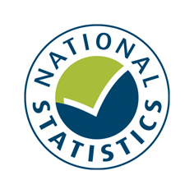


NHS Outcomes Framework - Indicator 4.4.ii
Access to NHS dental services
Publication date: February 2020
Link to publication: | https://digital.nhs.uk/data-and-information/publications/clinical-indicators/nhs-outcomes-framework/current

Introduction
This file contains indicator values for NHS Outcomes Framework indicator 4.4.ii - the percentage of people who successfully obtained an NHS dental appointment
in the last two years, weighted for design and non-response, with 95% Confidence Intervals.

Reporting period: 2011/12 to 2018/19

Source: GP Patient Survey from Ipsos MORI - Official Statistics

Contents
This data file contains the following worksheets:
Notes and definitions
Indicator data

The indicator data sheet contains the following breakdowns:
England
Gender
Age
Ethnicity
Sexual orientation (2015/16 onwards)
Religion (2015/16 onwards)
Deprivation decile
Lower tier local authority
Upper tier local authority
Region

Further Information
Notes and definitions can be found by clicking the link below:
Notes and definitions

Contact Details
Author: Clinical Indicators Team, NHS Digital
Responsible Statistician: Sally Jones
Public Enquiries: | Telephone: 0300 303 5678
 | Email: enquiries@nhsdigital.nhs.uk
Press enquiries should be made to: Media Relations Manager: Telephone: 0300 303 3888

Published by NHS Digital part of the Government Statistical Service
NHS Digital is the trading name of the Health and Social Care Information Centre.
Copyright © 2020

You may re-use this document/publication (not including logos) free of charge in any format or medium, under the terms of the Open Government Licence v3.0. To view this licence visit
www.nationalarchives.gov.uk/doc/open-government-licence
or write to the Information Policy Team, The National Archives,
Kew, Richmond, Surrey, TW9 4DU;
or email: psi@nationalarchives.gsi.gov.uk

